Аркуш1
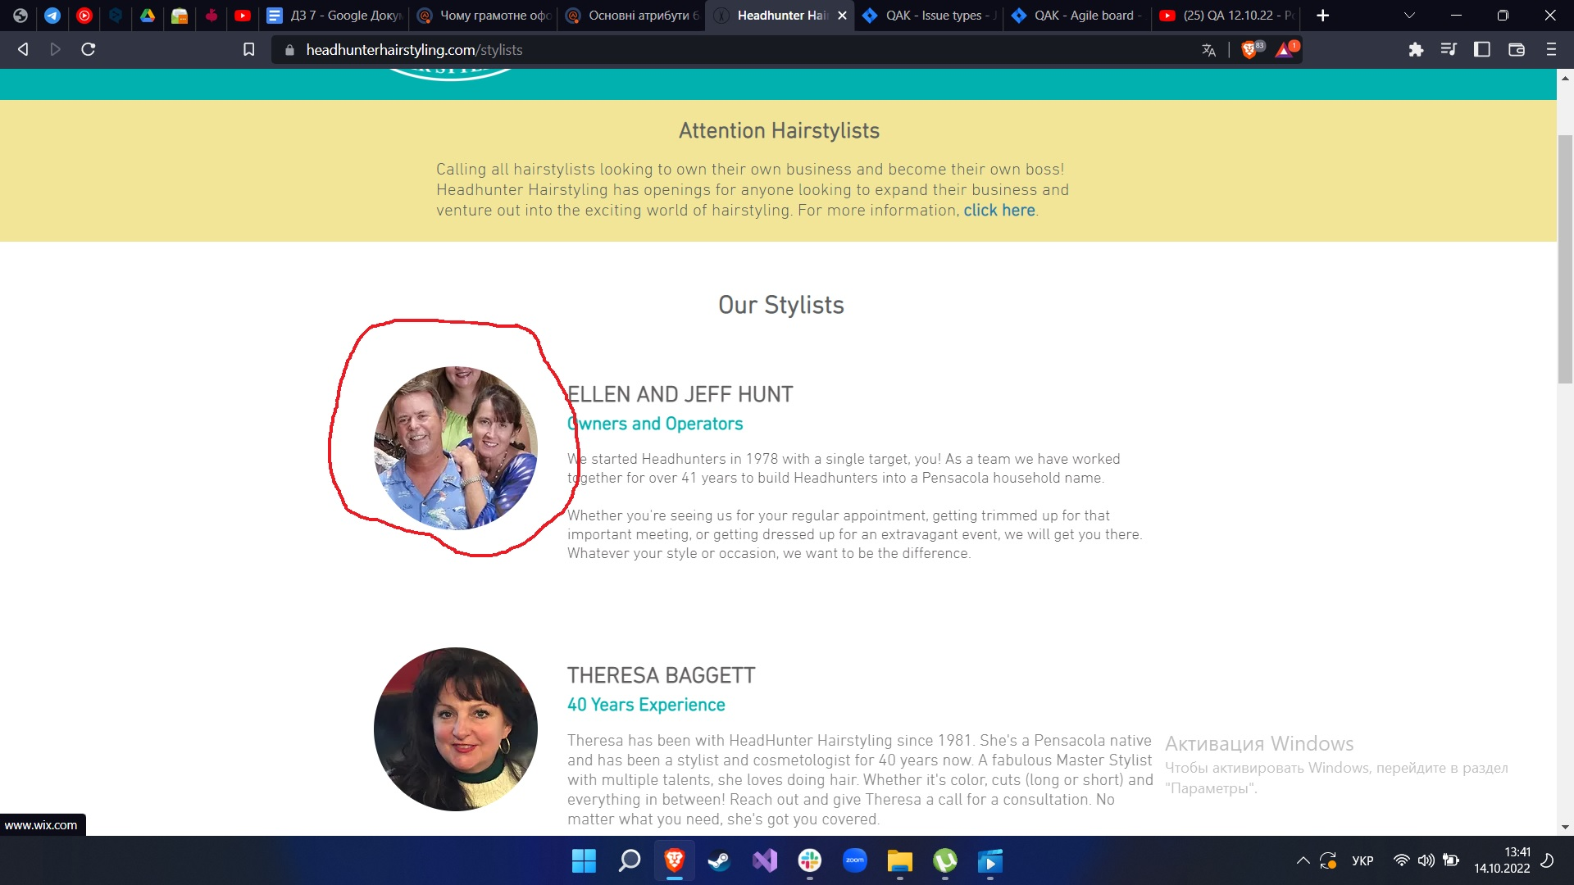
Status | Summary (Resume) | Description | Priority | Severity | Environment | Pre-condition | STR | Expected result | Actual result | Additional info
New | Link to the site after clicking on the photo | In the Stylists section, after clicking on any photo, the site opens | Medium | Low | Production |  | 1.Open page https://www.headhunterhairstyling.com/ 2.Go to the "Stylists" section 3.Click on the photo | The page should not open | After clicking on any photo, the site opens


Status | Summary (Resume) | Description | Priority | Severity | Environment | Pre-condition | STR | Expected result | Actual result | Additional info
New | Expansion of logos on the billboard during animation | The image of logos during the animation of the transition on the billboard goes out of the frame. | Medium | Low | Production |  | 1.Open page https://www.headhunterhairstyling.com/ 2.Go to the "Services" section 3.Scroll to the bottom of the page 4.Look at the animation of logos | The banner does not go beyond | Banner goes beyond

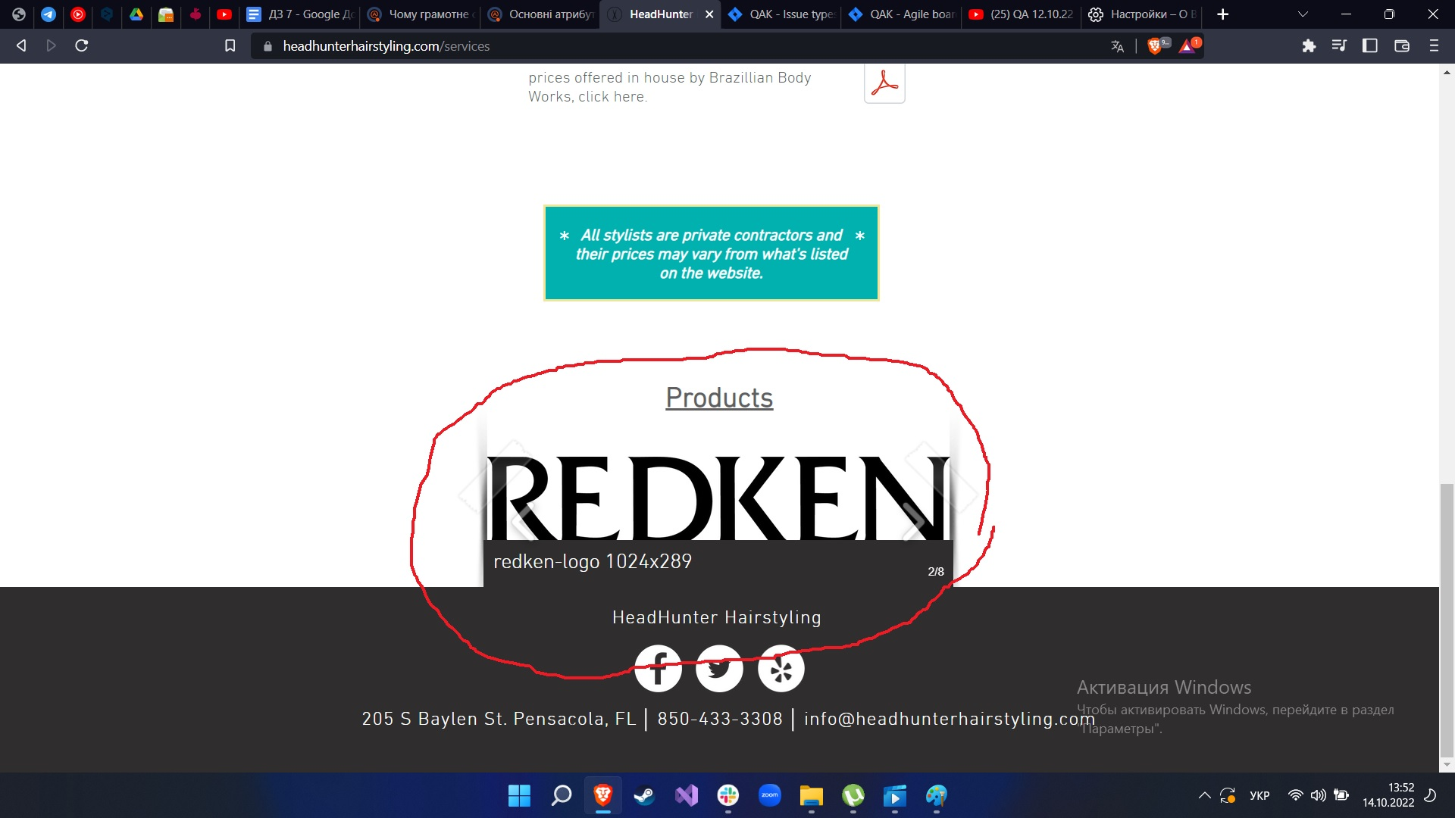
Status | Summary (Resume) | Description | Priority | Severity | Environment | Pre-condition | STR | Expected result | Actual result | Additional info
New | Displays the name of the image on logos | Displays the name of the image on the logos when you hover over them | High | Low | Production |  | 1.Open page https://www.headhunterhairstyling.com/ 2.Go to the "Services" section 3.Scroll to the bottom of the page 4.Hover your cursor over the logo | There is nothing to like on the banner | Displays the name of the image on banner

Другий рівень

1.UTF - 8 2.iso-8859-1 3.macintosh 4.iso-8859-1

Третій рівень

1.//a[@id='nav-logo-sprites'] 2.//span[@id='nav-cart-count'] 3.//a[@id='icp-nav-flyout'] 4.//div[@id='nav-search'] 5.//a[contains(text(),'Gift Cards')] 6.//a[contains(text(),"Today's Deals")] 7.//a[contains(text(),'Registry')] 8.//header/div[@id='navbar']/div[@id='nav-main']/div[2]/div[2]/div[1]/a[5] 9.//header/div[@id='navbar']/div[@id='nav-belt']/div[3]/div[1]/a[2]/span[1] 10.//a[@id='nav-orders']

